Table comparison
Proposal to EPTC based on EPC final curves
Table 1: Start-up types | Shutdown Period (hours) | Time from light-off to synchronise (minutes) | Time from Synchronise to Full Load (minutes) | Total time (minutes) | Table 2: Hot Start-up |  |  | Table 3: Warm Start-up |  |  | Table 4: Cold Start-up |  |  | Table 5: Initial Cold Start-up |  |  | Table 6: Ramp up in normal operation |  | Table 7: Ramp down in normal operation |  | Table 8: Shutdown |  | Table 9: Energy LD not apply in below cases: 1. Startup 2. Load change 3. Grid operates outside limit 4. Emergency 5. Force Majeure Event
Hot Start-up | Less than 8 | 75 | 145 | 220 | Time from Syn to 40% load (mins) | Net MW | Gross MW | Time from Syn to 40% load (mins) | Net MW | Gross MW | Time from Syn to 40% load (mins) | Net MW | Gross MW | Time from Syn to 40% load (mins) | Net MW | Gross MW | Load | MW/min | Load | MW/min | Rate (MW/min): | 6.6
Warm Start-up | From 8 to 56 | 190 | 225 | 415 | 0 | 0 | 1 | 0 | 0 | 1 | 0 | 0 | 1 | 0 | 0 | 1 | 40% to 50% | 6.6 | 100% to 65% | 13.2 | Time from 40% load to 0% load (mins) | Net MW
Cold Start-up | From 56 to 72 | 310 | 280 | 590 | 5 | 0 | 36 | 10 | 0 | 36 | 10 | 0 | 36 | 6 | 0 | 21 | 50% to 65% | 13.2 | Hold 30 mins at 65% | 0.0 | 0 | 264
Initial Cold Start-up | More than 72 | 385 | 330 | 715 | 15 | 71 | 107 | 14 | 14 | 50 | 14 | 14 | 50 | 66 | 0 | 21 | Hold 30 mins at 65% | 0.0 | 65% to 50% | 13.2 | 40 | 264
 |  |  |  |  | 55 | 71 | 107 | 19 | 14 | 50 | 24 | 14 | 50 | 70 | 0 | 36 | 65% to 100% | 13.2 | 50% to 40% | 6.6 | 50 | 198
 |  |  |  |  | 82 | 264 | 300 | 35 | 71 | 107 | 40 | 71 | 107 | 90 | 71 | 107 |  |  |  |  | 105 | 198
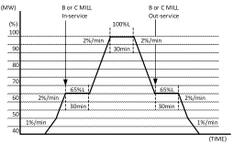
 |  |  |  |  |  |  |  | 75 | 71 | 107 | 100 | 71 | 107 | 150 | 71 | 107 |  |  |  |  | 135 | 0
 |  |  |  |  |  |  |  | 129 | 264 | 300 | 154 | 264 | 300 | 204 | 264 | 300

 |  |  |  |  | Table 2.1: Ramp rate from 40% to 100% after hot start-up |  |  | Table 3.1: Ramp rate from 40% to 100% after warm start-up |  |  | Table 4.1: Ramp rate from 40% to 100% after cold start-up |  |  | Table 5.1: Ramp rate from 40% to 100% after initial cold start-up
The first DI after reaching 40% will apply Start Up ramp rate in Table 2.1, Table 3.1, Table 4.1, Table 5.1 accordingly. And the other following DIs will apply normal operation ramp rate in Table 6 and Table 7 |  |  |  |  | Load | MW/min | Hold (mins) | Load | MW/min | Hold (mins) | Load | MW/min | Hold (mins) | Load | MW/min | Hold (mins)
 |  |  |  |  | 40% to 50% | 6.6 |  | 40% to 50% | 3.3 |  | 40% to 50% | 3.3 |  | 40% to 50% | 3.3
 |  |  |  |  | Hold 30 mins at 50% | 0.0 | 30 | Hold 30 mins at 50% | 0.0 | 30 | Hold 60 mins at 50% | 0.0 | 60 | Hold 60 mins at 50% | 0.0 | 60
 |  |  |  |  | 50% to 100% | 13.2 |  | 50% to 100% | 6.6 |  | 50% to 100% | 6.6 |  | 50% to 100% | 6.6

 |  |  |  |  | Table 2.2: Load Change from 40% to 100% after hot start-up |  |  | Table 3.2: Load Change from 40% to 100% after warm start-up |  |  | Table 4.2: Load Change from 40% to 100% after cold start-up |  |  | Table 5.2: Load Change from 40% to 100% after initial cold start-up
 |  |  |  |  | Time (mins) | Net MW |  | Time (mins) | Net MW |  | Time (mins) | Net MW |  | Time (mins) | Net MW
 |  |  |  |  | 0 | 264 |  | 0 | 264 |  | 0 | 264 |  | 0 | 264
 |  |  |  |  | 10 | 330 |  | 20 | 330 |  | 20 | 330 |  | 20 | 330
 |  |  |  |  | 40 | 330 |  | 50 | 330 |  | 80 | 330 |  | 80 | 330
 |  |  |  |  | 65 | 660 |  | 100 | 660 |  | 130 | 660 |  | 130 | 660

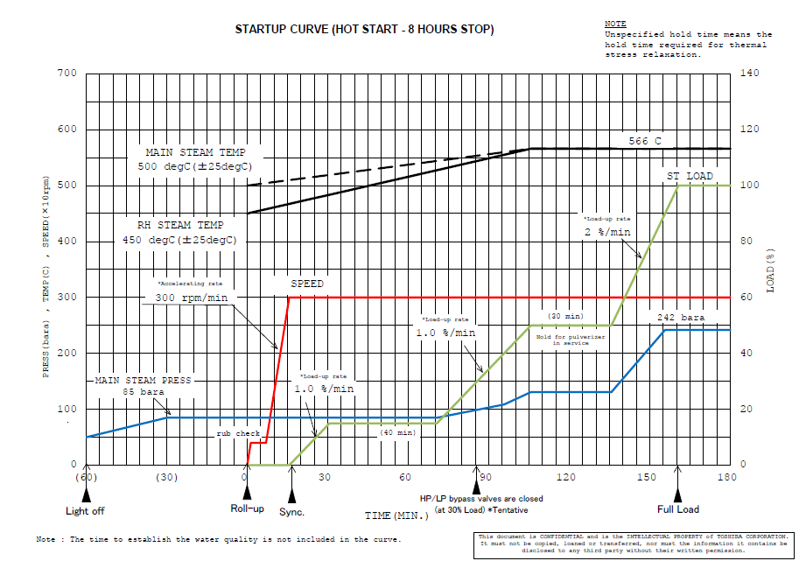
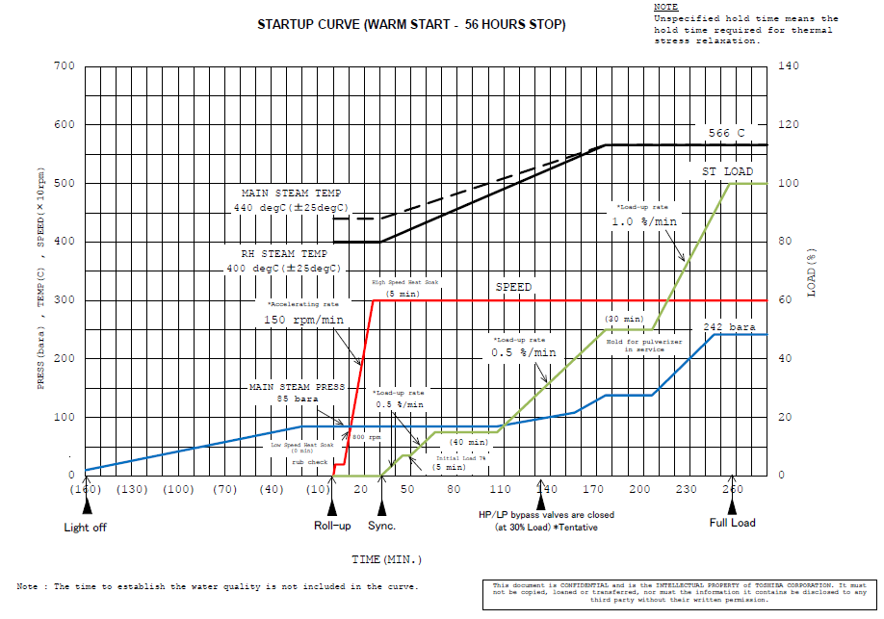
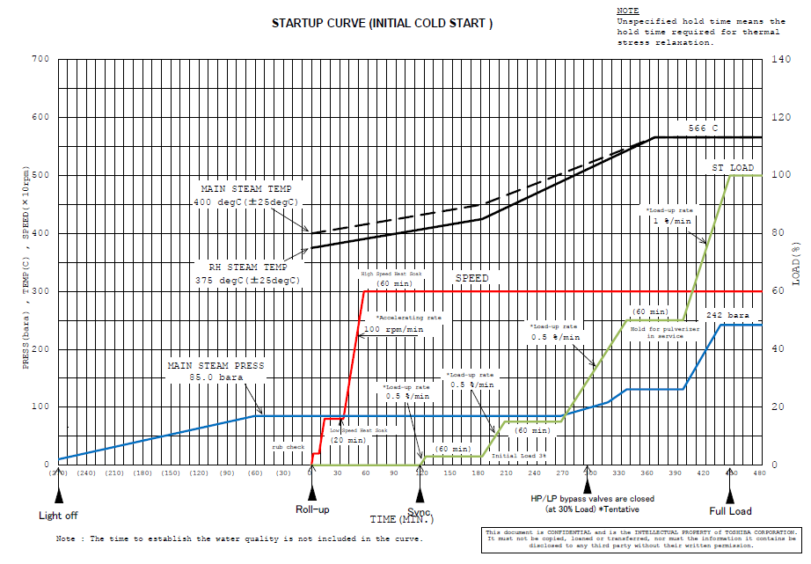
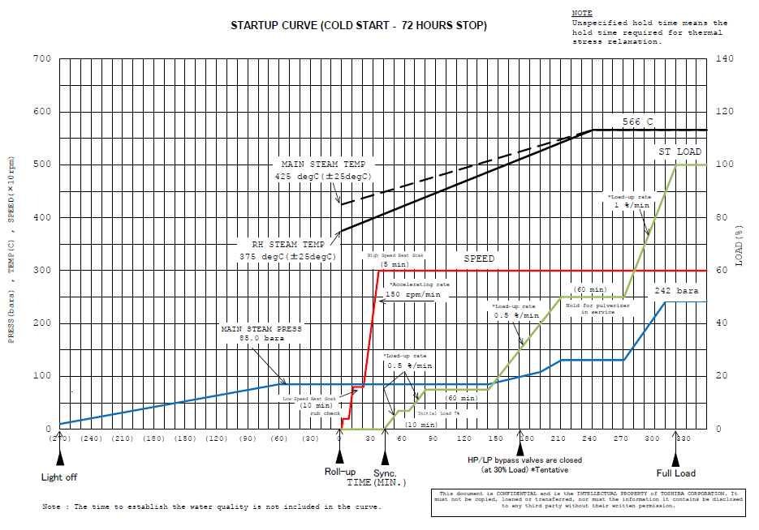

From Predicted Curve in PPA
Table 1: Start-up types | Shutdown Period (hours) | Time from light-off to synchronise (minutes) | Time from Synchronise to Full Load (minutes) | Total time (minutes) | Table 2: Hot Start-up |  |  | Table 3: Warm Start-up |  |  | Table 4: Cold Start-up |  |  | Table 5: Initial Cold Start-up |  |  | Table 6: Ramp up in normal operation |  | Table 7: Ramp down in normal operation |  | Table 8: Shutdown |  | Table 9: Energy LD not apply in below cases: 1. Startup 2. Load change 3. Grid operates outside limit 4. Emergency 5. Force Majeure Event
Hot Start-up | Less than 8 | 75 | 145 | 220 | Time from Syn to 40% load (mins) | Net MW | Gross MW | Time from Syn to 40% load (mins) | Net MW | Gross MW | Time from Syn to 40% load (mins) | Net MW | Gross MW | Time from Syn to 40% load (mins) | Net MW | Gross MW | Load | MW/min | Load | MW/min | Rate (MW/min): | 6.6
Warm Start-up | From 8 to 56 | 190 | 225 | 415 | 0 | 0 | 1 | 0 | 0 | 1 | 0 | 0 | 1 | 0 | 0 | 1 | 40% to 50% | 6.6 | 100% to 70% | 13.2 | Time from 40% load to 0% load (mins) | Net MW
Cold Start-up | From 56 to 72 | 310 | 280 | 590 | 5 | 0 | 36 | 10 | 0 | 36 | 10 | 0 | 36 | 10 | 0 | 36 | Hold 30 mins at 50% | 0.0 | Hold 30 mins at 70% | 0.0 | 0 | 264
Initial Cold Start-up | More than 72 | 385 | 330 | 715 | 15 | 71 | 107 | 14 | 14 | 50 | 14 | 14 | 50 | 14 | 14 | 50 | 50% to 100% | 13.2 | 70% to 40% | 13.2 | 40 | 264
 |  |  |  |  | 55 | 71 | 107 | 19 | 14 | 50 | 24 | 14 | 50 | 74 | 14 | 50 |  |  |  |  | 50 | 198
 |  |  |  |  | 82 | 264 | 300 | 35 | 71 | 107 | 40 | 71 | 107 | 90 | 71 | 107 |  |  |  |  | 105 | 198
 |  |  |  |  |  |  |  | 75 | 71 | 107.4 | 100 | 71 | 107.4 | 150 | 71 | 107.4 |  |  |  |  | 135 | 0
 |  |  |  |  |  |  |  | 129 | 264 | 300 | 154 | 264 | 300 | 204 | 264 | 300
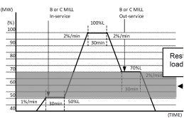
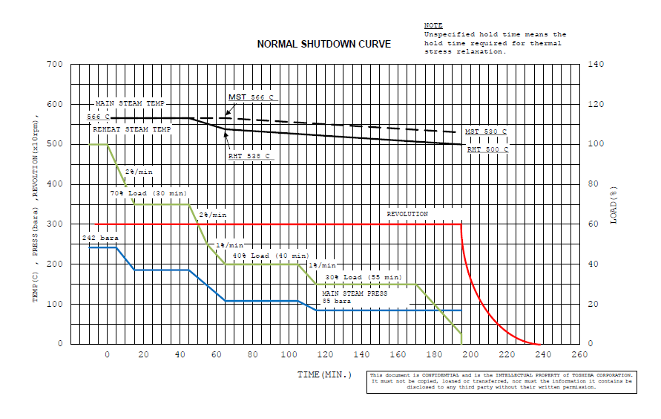
 |  |  |  |  | Table 2.1: Ramp rate from 40% to 100% after hot start-up |  |  | Table 3.1: Ramp rate from 40% to 100% after warm start-up |  |  | Table 4.1: Ramp rate from 40% to 100% after cold start-up |  |  | Table 5.1: Ramp rate from 40% to 100% after initial cold start-up
 |  |  |  |  | Load | MW/min | Hold (mins) | Load | MW/min | Hold (mins) | Load | MW/min | Hold (mins) | Load | MW/min | Hold (mins)
 |  |  | 1% |  | 40% to 50% | 6.6 |  | 40% to 50% | 3.3 |  | 40% to 50% | 3.3 |  | 40% to 50% | 3.3
 |  |  | 6.6 |  | Hold 30 mins at 50% | 0.0 | 30 | Hold 30 mins at 50% | 0.0 | 30 | Hold 60 mins at 50% | 0.0 | 60 | Hold 60 mins at 50% | 0.0 | 60
 |  |  |  |  | 50% to 100% | 13.2 |  | 50% to 100% | 6.6 |  | 50% to 100% | 6.6 |  | 50% to 100% | 6.6

 |  |  |  |  | Table 2.2: Load Change from 40% to 100% after hot start-up |  |  | Table 3.2: Load Change from 40% to 100% after warm start-up |  |  | Table 4.2: Load Change from 40% to 100% after cold start-up |  |  | Table 5.2: Load Change from 40% to 100% after initial cold start-up
 |  |  |  |  | Time (mins) | Net MW |  | Time (mins) | Net MW |  | Time (mins) | Net MW |  | Time (mins) | Net MW
 |  |  |  |  | 0 | 264 |  | 0 | 264 |  | 0 | 264 |  | 0 | 264
 |  |  |  |  | 10 | 330 |  | 20 | 330 |  | 20 | 330 |  | 20 | 330
 |  |  |  |  | 40 | 330 |  | 50 | 330 |  | 80 | 330 |  | 80 | 330
 |  |  |  |  | 65 | 660 |  | 100 | 660 |  | 130 | 660 |  | 130 | 660

Hot Start-up
 | Proposal | Predicted Curve in PPA
0 | 0 | 0
5 | 0 | 0
15 | 71 | 71
55 | 71 | 71
82 | 264 | 264
92 | 330 | 330
122 | 330 | 330
147 | 660 | 660
Warm Start-up
 | Proposal | Predicted Curve in PPA
0 | 0 | 0
10 | 0 | 0
14 | 14 | 14
19 | 14 | 14
35 | 71 | 71
75 | 71 | 71
129 | 264 | 264
149 | 330 | 330
179 | 330 | 330
229 | 660 | 660
Cold Start-up
 | Proposal | Predicted Curve in PPA
0 | 0 | 0
10 | 0 | 0
14 | 14 | 14
24 | 14 | 14
40 | 71 | 71
100 | 71 | 71
154 | 264 | 264
174 | 330 | 330
234 | 330 | 330
284 | 660 | 660
Initial Cold Start-up
 | Proposal |  | Predicted Curve in PPA
0 | 0 | 0 | 0
6 | 0 | 10 | 0
66 | 0 | 14 | 14
70 | 0 | 74 | 14
90 | 71 | 90 | 71
150 | 71 | 150 | 71
204 | 264 | 204 | 264
224 | 330 | 224 | 330
284 | 330 | 284 | 330
334 | 660 | 334 | 660
Normal Operation
 | Proposal |  | Predicted Curve in PPA
0 | 264.004 | 0 | 264.004
10 | 330 | 10 | 330
17 | 429 | 40 | 330
47 | 429 | 65 | 660
65 | 660 | 95 | 660
95 | 660 | 110 | 462
112 | 429 | 140 | 462
142 | 429 | 155 | 264.004
150 | 330
160 | 264.004

Comparation

Curve comparison
Hot Start-up
 | Proposal | PPA
0 | 0 | 0
5 | 0 | 0
15 | 71 | 71
55 | 71 | 71
82 | 264 | 264
92 | 330 | 330
122 | 330 | 330
147 | 660 | 660
Warm Start-up
 | Proposal | PPA
0 | 0 | 0
10 | 0 | 0
14 | 14 | 14
19 | 14 | 14
35 | 71 | 71
75 | 71 | 71
129 | 264 | 264
149 | 330 | 330
179 | 330 | 330
229 | 660 | 660
Table 2: Hot Start-up |  |  | Table 3: Warm Start-up |  |  | Table 4: Cold Start-up |  |  | Table 5: Initial Cold Start-up
Time from Syn to 40% load (mins) | Net MW | Gross MW | Time from Syn to 40% load (mins) | Net MW | Gross MW | Time from Syn to 40% load (mins) | Net MW | Gross MW | Time from Syn to 40% load (mins) | Net MW | Gross MW
0 | 0 | 1 | 0 | 0 | 1 | 0 | 0 | 1 | 0 | 0 | 1
5 | 0 | 36 | 10 | 0 | 36 | 10 | 0 | 36 | 6 | 0 | 21
15 | 71 | 107 | 14 | 14 | 50 | 14 | 14 | 50 | 66 | 0 | 21
55 | 71 | 107 | 19 | 14 | 50 | 24 | 14 | 50 | 70 | 0 | 36
82 | 264 | 300 | 35 | 71 | 107 | 40 | 71 | 107 | 90 | 71 | 107
92 | 330 |  | 75 | 71 | 107.4 | 100 | 71 | 107 | 150 | 71 | 107
122 | 330 |  | 129 | 264 | 300 | 154 | 264 | 300 | 204 | 264 | 300
147 | 660 |  | 149 | 330 |  | 174 | 330 |  | 224 | 330
 |  |  | 179 | 330 |  | 234 | 330 |  | 284 | 330
 |  |  | 229 | 660 |  | 284 | 660 |  | 334 | 660

Cold Start-up
 | Proposal | PPA
0 | 0 | 0
10 | 0 | 0
14 | 14 | 14
24 | 14 | 14
40 | 71 | 71
100 | 71 | 71
154 | 264 | 264
174 | 330 | 330
234 | 330 | 330
284 | 660 | 660
Initial Cold Start-up
 | Proposal |  | PPA
0 | 0 | 0 | 0
6 | 0 | 10 | 0
66 | 0 | 14 | 14
70 | 0 | 74 | 14
90 | 71 | 90 | 71
150 | 71 | 150 | 71
204 | 264 | 204 | 264
224 | 330 | 224 | 330
284 | 330 | 284 | 330
334 | 660 | 334 | 660
Table 2: Hot Start-up |  |  | Table 3: Warm Start-up |  |  | Table 4: Cold Start-up |  |  | Table 5: Initial Cold Start-up
Time from Syn to 40% load (mins) | Net MW | Gross MW | Time from Syn to 40% load (mins) | Net MW | Gross MW | Time from Syn to 40% load (mins) | Net MW | Gross MW | Time from Syn to 40% load (mins) | Net MW | Gross MW
0 | 0 | 1 | 0 | 0 | 1 | 0 | 0 | 1 | 0 | 0 | 1
5 | 0 | 36 | 10 | 0 | 36 | 10 | 0 | 36 | 10 | 0 | 36
15 | 71 | 107 | 14 | 14 | 50 | 14 | 14 | 50 | 14 | 14 | 50
55 | 71 | 107 | 19 | 14 | 50 | 24 | 14 | 50 | 74 | 14 | 50
82 | 264 | 300 | 35 | 71 | 107 | 40 | 71 | 107 | 90 | 71 | 107
92 | 330 |  | 75 | 71 | 107.4 | 100 | 71 | 107.4 | 150 | 71 | 107.4
122 | 330 |  | 129 | 264 | 300 | 154 | 264 | 300 | 204 | 264 | 300
147 | 660 |  | 149 | 330 |  | 174 | 330 |  | 224 | 330
 |  |  | 179 | 330 |  | 234 | 330 |  | 284 | 330
 |  |  | 229 | 660 |  | 284 | 660 |  | 334 | 660

Normal Operation
Time in normal operation (proposal) | Load
0 | 264
10 | 330
17 | 429
47 | 429
65 | 660
95 | 660
112 | 429
142 | 429
150 | 330
160 | 264

Time in normal operation (PPA) | Load
0 | 264
10 | 330
40 | 330
65 | 660
95 | 660
110 | 462
140 | 462
155 | 264

